Table 1

Selected Acquisition Report (SAR)
RCS: DD-A&T(Q&A)823-334

P-8A Poseidon Multi-Mission Maritime Aircraft (P-8A)
As of FY 2017 President's Budget
Defense Acquisition Management Information Retrieval
(DAMIR)

Table 11
Schedule
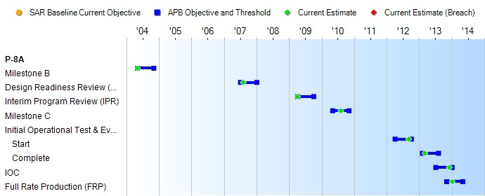
None
Schedule Events
Events | SAR Baseline Production Estimate | Current APB Production Objective/Threshold |  | Current Estimate
Milestone B | May 2004 | May 2004 | Nov 2004 | May 2004
Design Readiness Review (DRR) | Jul 2007 | Jul 2007 | Jan 2008 | Aug 2007
Interim Program Review (IPR) | Apr 2009 | Apr 2009 | Oct 2009 | Apr 2009
Milestone C | May 2010 | May 2010 | Nov 2010 | Aug 2010
Initial Operational Test & Evaluation (IOT&E)
Start | Apr 2012 | Apr 2012 | Oct 2012 | Sep 2012
Complete | Feb 2013 | Feb 2013 | Aug 2013 | Mar 2013
IOC | Jul 2013 | Jul 2013 | Jan 2014 | Dec 2013
Full Rate Production (FRP) | Apr 2013 | Nov 2013 | May 2014 | Jan 2014
Change Explanations

Table 28
Unit Cost History
Item |  |  |  |  |  |  |  | Date |  |  |  | BY 2010 $M |  |  |  |  |  |  |  | TY $M
 |  |  |  |  |  |  |  |  |  |  |  | PAUC |  |  | APUC |  |  |  |  | PAUC |  |  |  |  | APUC

Original APB |  |  |  |  | Jun 2004 |  |  |  |  |  |  | 263.234 |  |  |  | 211.030 |  |  |  |  |  | 273.292 |  |  |  | 225.149
APB as of January 2006 |  |  |  |  | Jun 2004 |  |  |  |  |  |  | 263.234 |  |  |  | 211.030 |  |  |  |  |  | 273.292 |  |  |  | 225.149
Revised Original APB |  |  |  |  | N/A |  |  |  |  |  |  | N/A |  |  |  | N/A |  |  |  |  |  | N/A |  |  |  | N/A
Prior APB |  |  |  |  | Oct 2010 |  |  |  |  |  |  | 265.130 |  |  |  | 201.018 |  |  |  |  |  | 282.793 |  |  |  | 219.271
Current APB |  |  |  |  | Feb 2014 |  |  |  |  |  |  | 268.394 |  |  |  | 201.032 |  |  |  |  |  | 295.828 |  |  |  | 228.938
Prior Annual SAR |  |  |  |  | Dec 2014 |  |  |  |  |  |  | 264.810 |  |  |  | 198.719 |  |  |  |  |  | 286.638 |  |  |  | 221.197
Current Estimate |  |  |  |  | Dec 2015 |  |  |  |  |  |  | 263.561 |  |  |  | 197.326 |  |  |  |  |  | 284.246 |  |  |  | 218.660
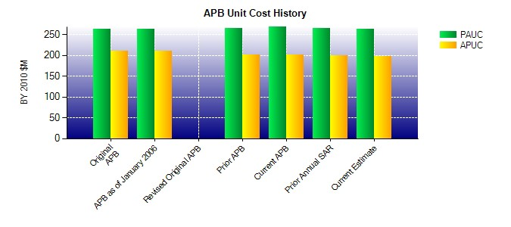
SAR Unit Cost History
Initial SAR Baseline to Current SAR Baseline (TY $M)
Initial PAUC Development Estimate | Changes |  |  |  |  |  |  |  |  |  |  |  |  |  |  |  |  |  |  |  |  |  |  | PAUC Production Estimate
 | Econ |  | Qty |  |  | Sch |  |  | Eng |  | Est |  |  | Oth |  |  |  | Spt |  |  | Total
273.292 3.671 -4.044 5.221 10.630 -17.830 0.000 11.853 9.501 282.793
Current SAR Baseline to Current Estimate (TY $M)
PAUC Production Estimate |  | Changes |  |  |  |  |  |  |  |  |  |  |  |  |  |  |  |  |  |  |  |  | PAUC Current Estimate
 |  | Econ |  | Qty |  |  | Sch |  |  | Eng | Est |  | Oth |  |  |  | Spt |  | Total
282.793 1.974 6.156 4.568 -1.088 -9.206 0.000 -0.951 1.453 284.246

